Sheet1
 |  | Document No. | Issue No. | Issue Date |  | Review and Replace Date |  | Authorised By
 |  | GFF047MC | 3 | 28.09.2018 |  | 11.06.2021
 |  | Document Title | Chicken Dopiaza 350g
 |  |  |  |  |  |  |  | Magda Shah
Document amendments reason for change |  | Shelf life updated | Page 1 of 1 |  | Previous Issue Date |  | 08.09.2020 | Uncontrolled copy unless signed original

CCDO-R4TEB | BOOTHS |  | CHICKEN DOPIAZA 350g
STEP 1 |  |  |  |  | STEP 2
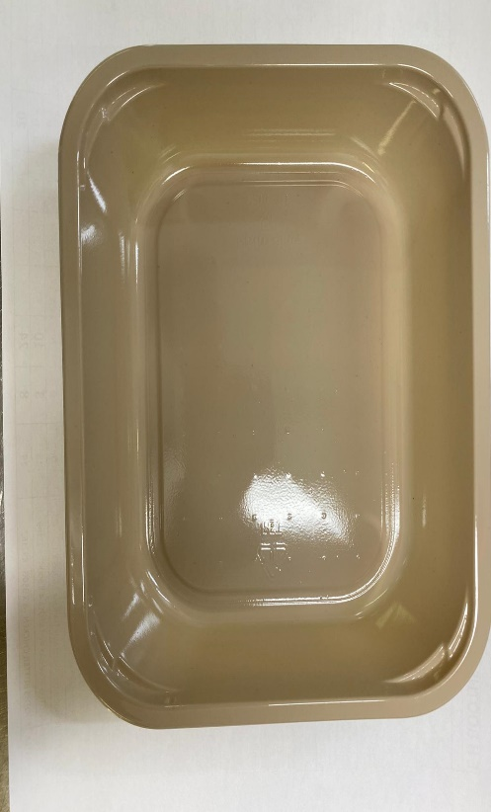 |  |  |  |  | 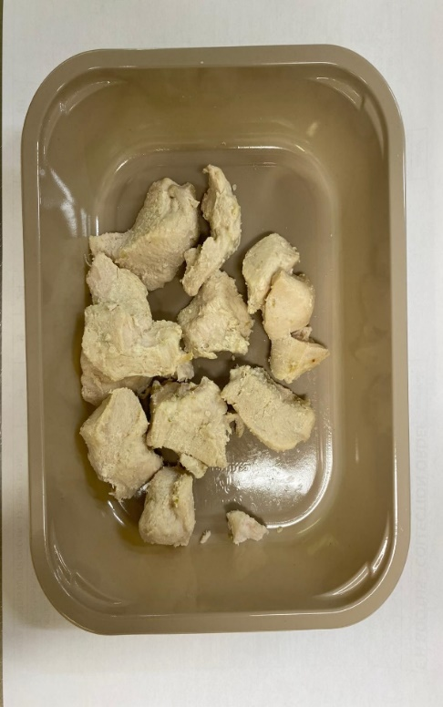

Tray: C 2200­1D Evolve CPET(PKRHP001-09) |  |  |  |  | British Diced Breast chicken 12-14g (Marinated) (GFF164R): 115g
Line 1: Mylar 250LAF 250mm x 1000 (PKWRA001-08)
Line 1: K-Peel 75G + AF 25 250mm (PKKMP001-01)
Line 2: Mylar 25OLAF - 380mm wide (PKWRA001-02) |  |  |  |  | 9 - 12 pieces
STEP 3
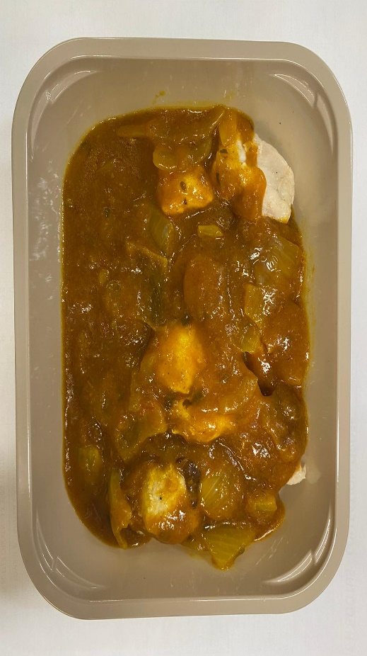

Dopiaza Sauce (GFF131R): 235g |  |  |  |  | TOTAL WEIGHT: 350G

ALLERGY ALERT: BARLEY

